numeric
column | DOMU | Distribution
sample_value | 44 | 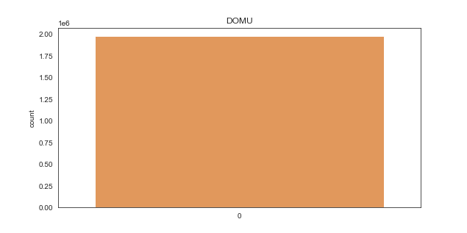
nan_rate | 0
num_uni | 2/1976212
value_min | 31
value_mean | 38.868787357
value_median | 44
value_max | 44

column | DOSUFX | Distribution
sample_value | 0 | 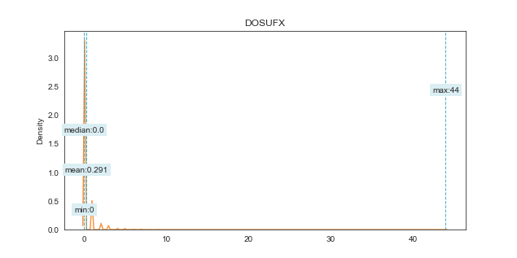
nan_rate | 0
num_uni | 45/1976212
value_min | 0
value_mean | 0.29096827668
value_median | 0
value_max | 44

column | DOQTY | Distribution
sample_value | 2 | 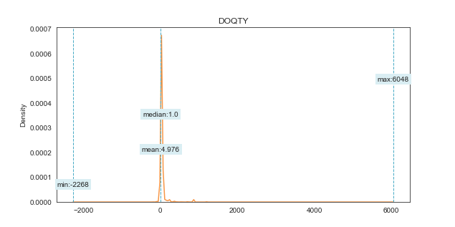
nan_rate | 0
num_uni | 704/1976212
value_min | -2268
value_mean | 4.9758376126
value_median | 1
value_max | 6048

column | DODYMD | Distribution
sample_value | 220331 | 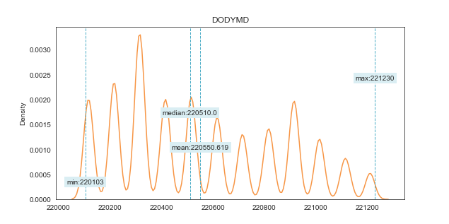
nan_rate | 0
num_uni | 295/1976212
value_min | 220103
value_mean | 220550.61903
value_median | 220510
value_max | 221230

column | DOSVAL | Distribution
sample_value | 28.125 | 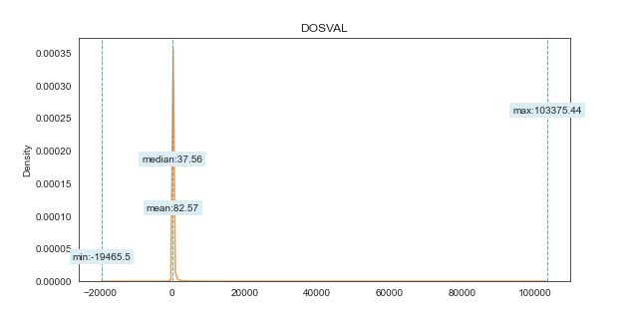
nan_rate | 0
num_uni | 61589/1976212
value_min | -19465.5
value_mean | 82.569546901
value_median | 37.56
value_max | 103375.44

column | VALUE € | Distribution
sample_value | 13.8375 | 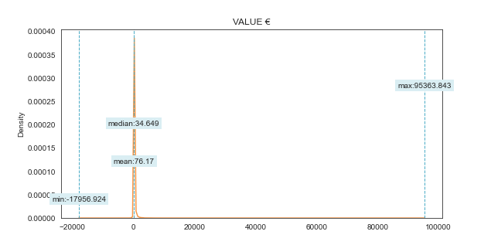
nan_rate | 0
num_uni | 61589/1976212
value_min | -17956.92375
value_mean | 76.170407016
value_median | 34.6491
value_max | 95363.8434

